Лист1
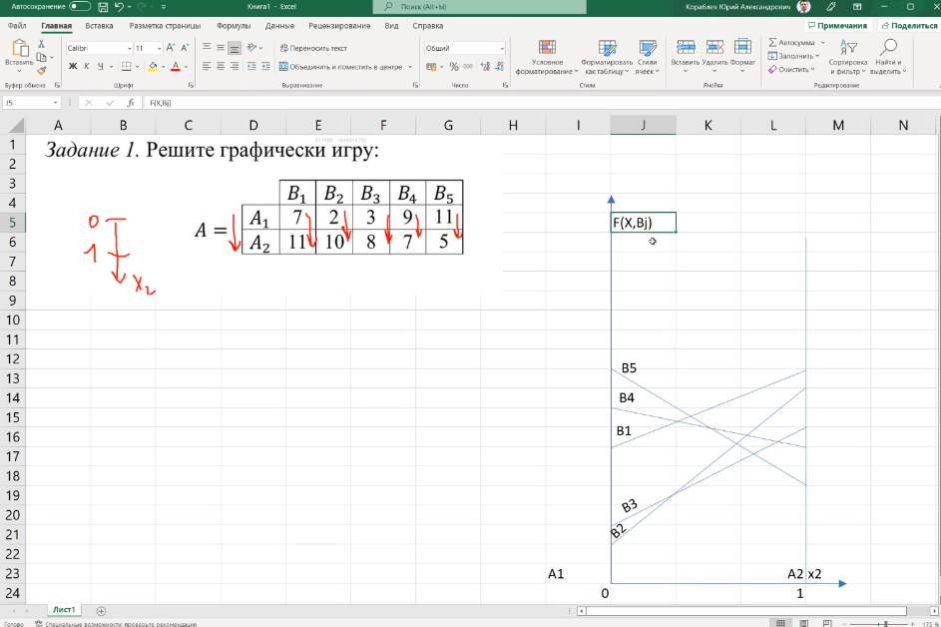

 |  | B1 | B2 | B3 | B4 | B5
0 | A1 | 7 | 2 | 3 | 9 | 11
1 | A2 | 11 | 10 | 8 | 7 | 5
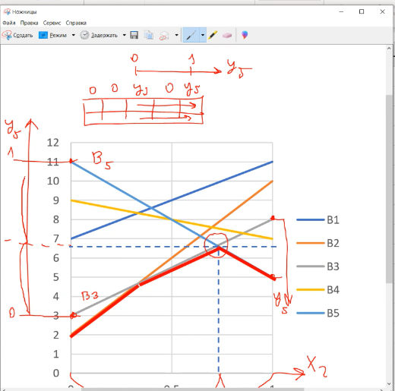

Соотношение B3 и B5

 |  |  |  |  |  |  |  | B3 | B5
 |  |  |  |  |  |  | A1 | 3 | 11
 |  |  |  |  |  |  | A2 | 8 | 5

 |  |  |  |  |  |  |  | V = F(A1, Y) = 3 * y3 + 11 * y5)
 |  |  |  |  |  |  |  | V = F(A2, Y) = 8 * y3 + 5 * y5)

 |  |  |  |  |  |  |  | 5y3 - 6 * y5 = 0 |  | 11y3 = 6 | y3 = 6/11
 |  |  |  |  |  |  |  |  |  | y5 = 1- y3 | y5= 5/11
 |  |  |  |  |  |  |  |  |  |  | V = 73/11

 |  |  |  |  |  |  |  | V = F(X, B1) = 3 * x1 + 8 * x2)
 |  |  |  |  |  |  |  | V = F(X, B2) = 11 * x1 + 5 * x2)
 |  |  |  |  |  |  |  |  |  |  | x1 = 3/11
 |  |  |  |  |  |  |  | 8x1 - 3x2 = 0 |  | x1 = 3/11 | x2 = 8/11
 |  |  |  |  |  |  |  |  |  | x2 = 1 - x1 | V = 73/11

 |  |  |  |  |  |  |  | X = (3/11, 5/11), Y = (0, 0, 6/11, 0, 5/11), V = 73/11

Лист2
 |  |  |  |  | B1 | B2 | B3 | B4 | B5 | B6 | B7 | B8
 |  |  |  | A1 | 5 | 8 | 9 | 10 | 8 | 5 | 6 | 7
 |  |  |  | A2 | 8 | 7 | 6 | 4 | 4 | 9 | 7 | 8

0
1
 |  |  |  |  |  | B1 | B5
 |  |  |  |  | A1 | 5 | 8
 |  |  |  |  | A2 | 8 | 4

 | V = F(X, B1) = 5 * x1 + 8 * x2) |  |  |  |  | V = F(A1, Y) = 5 * y1 + 8 * y5)
 | V = F(X, B5) = 8 * x1 + 4 * x2) |  |  |  |  | V = F(A2, Y) = 8 * y1 + 4 * y5)
 |  |  |  | x1 = 4/7
 | 3x1 - 4x2 = 0 |  | 7x1 = 4 | x2 = 3/7 |  | 3y1 - 4 * y5 = 0 |  |  | 7y1 = 4 |  | y1 = 4/7
 | x2 = 1 - x1 |  | x2 = 1- x1 | V = 44/7 |  | y5 = 1 - y1 |  |  | y5 = 1- y1 |  | y5= 3/7
 |  |  |  |  |  |  |  |  |  |  | V = 44/7

 | Ответ | X = (4/7, 3/7), Y = (4/7, 0, 0, 0, 3/7), V = 44/7

 |  |  |  |  | B1 | B2 | B3 | B4 | B5 | B6 | B7 | B8 | B9
 |  |  |  | A1 | 1 | 4 | 5 | 6 | 4 | 1 | 2 | 3 | 3
 |  |  |  | A2 | 4 | 3 | 2 | 0 | 0 | 5 | 2 | 4 | 5.5

 |  |  |  |  |  | B1 | B7 |  |  |  |  |  |  |  |  |  |  | B5 | B7
 |  |  |  |  | A1 | 1 | 2 |  |  |  |  |  |  |  |  |  | A1 | 4 | 2
 |  |  |  |  | A2 | 4 | 2 |  |  |  |  |  |  |  |  |  | A2 | 0 | 2

 | V = F(X, B1) = 1 * x1 + 4 * x2) |  |  |  |  | V = F(A1, Y) = 1 * y1 + 2 * y7) |  |  |  |  |  |  |  | V = F(X, B5) = 4 * x1 + 0 * x2) |  |  |  | V = F(A1, Y) = 4 * y5 + 2 * y7)
 | V = F(X, B7) = 2 * x1 + 2 * x2) |  |  |  |  | V = F(A2, Y) = 4 * y1 + 2 * y7) |  |  |  |  |  |  |  | V = F(X, B7) = 2 * x1 + 2 * x2) |  |  |  | V = F(A2, Y) = 0 * y5+ 2 * y7)
 |  |  |  | x1 = 2/3 |  |  |  |  |  |  |  |  |  |  |  | x1 = 1/2
 | x1 - 2 * x2 = 0 |  | 3x1 = 2 | x2 = 1/3 |  | 3y1 = 0 |  |  | y1 = 0 |  | y1 = 0 |  |  | 2x1 - 2x2 = 0 | 4x1 = 2 | x2 = 1/2 |  | y5 = 0 |  | y5 = 0 | y5 = 0
 | x2 = 1 - x1 |  | x2 = 1- x1 | V = 2 |  | y7 = 1 |  |  | y7 = 1 |  | y7 = 1 |  |  | x2 = 1 - x1 | x2 = 1- x1 | V= 2 |  | y7 = 1 |  | y7 = 1 | y7 = 1
 |  |  |  |  |  |  |  |  |  |  | V = 2 |  |  |  |  |  |  |  |  |  | V= 2

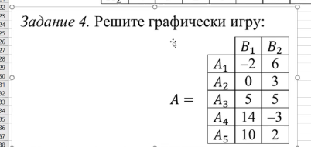
 |  |  |  |  |  | B1 | B2
 |  |  |  |  | A1 | -2 | 6
 |  |  |  |  | A2 | 0 | 3
 |  |  |  |  | A3 | 5 | 5
 |  |  |  |  | A4 | 14 | -3
 |  |  |  |  | A5 | 10 | 2

 |  |  |  |  |  | B1 | B2 |  |  |  |  |  |  |  |  |  |  | B1 | B2
 |  |  |  |  | A3 | 5 | 5 |  |  |  |  |  |  |  |  |  | A1 | -2 | 6
 |  |  |  |  | A5 | 10 | 2 |  |  |  |  |  |  |  |  |  | A3 | 5 | 5

 | V = F(X, B1) = 5 * x3 + 10 * x5) |  |  |  |  | V = F(A3, Y) = 5 * y1 + 5 * y2) |  |  |  |  |  |  |  | V = F(X, B1) = -2 * x1 + 5 * x3) |  |  |  | V = F(A1, Y) = -2 * y1 + 6 * y2)
 | V = F(X, B2) = 5 * x3 + 2 * x5) |  |  |  |  | V = F(A5, Y) = 10 * y1 + 2 * y2) |  |  |  |  |  |  |  | V = F(X, B2) = 6 * x1 + 5 * x3) |  |  |  | V = F(A3, Y) = 5 * y1 + 5 * y2)
 |  |  |  | x3 = 0 |  |  |  |  |  |  |  |  |  |  |  | x1 = 0
 | x3 = 0 |  | x3 = 0 | x5 = 1 |  | 5y1 - 3y2 = 0 |  |  | 8y1 = 3 |  | y1 = 3/8 |  |  | x1 = 0 | x1 = 0 | x3 = 1 |  | 7y1 - y2 = 0 |  | 8y1 = 1 | y1 = 1/8
 | x5 = 1 |  | x5 = 1 | V = 5 |  | y2 = 1 - y1 |  |  | y2 = 1 - y1 |  | y2 = 5/8 |  |  | x3 = 1 | x3 = 1 | V = 5 |  | y2 = 1 - y1 |  | y2 = 1 - y1 | y2 = 7/8
 |  |  |  |  |  |  |  |  |  |  | V = 5 |  |  |  |  |  |  |  |  |  | V = 5

